Sheet2
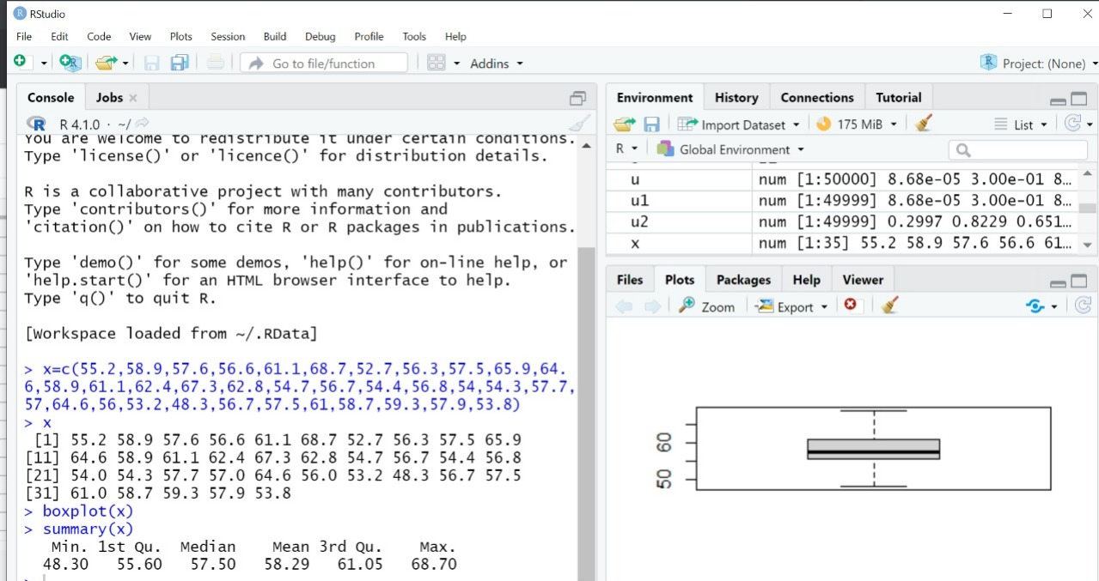
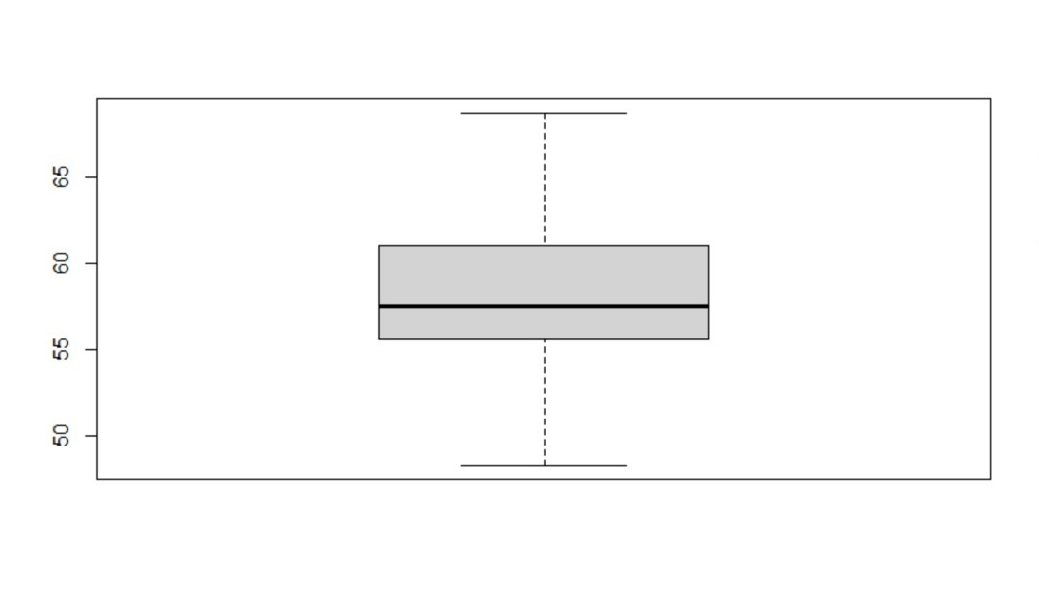
Literacy of Men and Women
 | Women who are literate (%) | Men who are literate (%)
Sterilization of Men and Women

Screening for Cancer among Women (age 30-49 years)
Rural v/s Urban Comparison Of Anaemia Among Children And Women

Screening for breast cancer among women (30-49 years)

District wise women who are literate (%)

Scatter Plot
 | Women who have undergone a screening test for cervical cancer (%) |  | Women who have undergone a breast examination for breast cancer (%)

